Hiearchy View
CLASS: PILE CAP
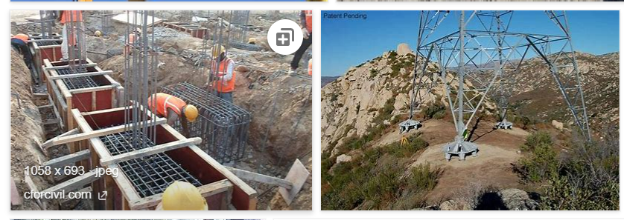 thick concrete mat that rests on concrete or timber piles that have been driven into soft or unstable ground to provide a suitable stable foundation.
REMOVE | N

PROBLEM_DESC | CAUSE_DESC | REMEDY_DESC
BROKEN/DAMAGED
LEAKING
OTHER PROBLEM
PESTS
PRESSURE
STOPPED/SLOWED/POOR OPS
TEMP-CTRL
VIBRATION
Grand Total

